Sheet1
PCDS Dermatoscope reviews
Name of Scope | Aton 1000 PRO | Basic Scope such as YLR | Canfield Luminis | Casio DZ -D100 Dermacamera | DermLite DL1 | DermLite DL1 basic | DermLite DL2 Pro Hybrid | DermLite DL200 Hybrid | DermLite DL3 | DermLite DL4 | DermLite DL5 | DermLite GL | DermLite Handyscope | DermLite Hud original | DermLite Hud2 | Heine Delta 20T | Heine Delta 30 | Heine Delta 30 PRO | Heine Delta 30 UV | Heine DELTAone | Heine DeltaX | Heine IC1 | Heine Mini | Iboolo DE-200 | Iboolo DE-300 | Iboolo DE-3100 | Iboolo DE3100 PRO | Iboolo DE-400 | Iboolo DE-4100 | Iboolo DE4100 PRO | Illuco IDS 1100 | Illuco IDS 9100 | Jeweller's Loupes | Opticlar 4DS | Opticlar 8DS | Opticlar Compact | Rechargeable Loupe | Skiary
YouTube link to video review | pending | https://www.youtube.com/watch?v=migPqzNG8Bk | https://www.youtube.com/watch?v=BBMxx1-bMi4&t=2s | https://www.youtube.com/watch?v=RqvSgn1FchE | https://www.youtube.com/watch?v=wd_t4sQlztI | see DL1 next to this - the basic just has the polarised one | https://www.youtube.com/watch?v=u-qJuN4bIOg | https://www.youtube.com/watch?v=wwE1sloYjwg | https://www.youtube.com/watch?v=ibxy7VDJ92E | https://www.youtube.com/watch?v=M7KCtP1lf0k&t=18s | https://www.youtube.com/watch?v=OzAsfa1-nBQ&t=18s | https://www.youtube.com/watch?v=WNT7T_3Z9bw | https://www.youtube.com/watch?v=5g853XuY2D8 | https://www.youtube.com/watch?v=DG7qOg-ZaOU | https://www.youtube.com/watch?v=2o8N_Vyhp5I | https://www.youtube.com/watch?v=1y8Z7nzMGZk | https://www.youtube.com/watch?v=hnRzmW8ucBE | https://www.youtube.com/watch?v=8N9b7oiGkgU&t=205s | https://www.youtube.com/watch?v=vmuNyGv1wlw | https://www.youtube.com/watch?v=b5RxaRtCTzw | https://www.youtube.com/watch?v=hzXx1hK55q8 | https://www.youtube.com/watch?v=T1YHlxaXWb4 | https://www.youtube.com/watch?v=ykAgvENVRB8 | https://www.youtube.com/watch?v=7j2eWIzfS8o | https://www.youtube.com/watch?v=8NoESIyzqOk | https://www.youtube.com/watch?v=COJHMivGxog&t=6s | pending | https://www.youtube.com/watch?v=FEHfJXinTrU | https://www.youtube.com/watch?v=k-my2T3jDUU | pending | https://www.youtube.com/watch?v=xfN8yi1TQlI | pending | https://www.youtube.com/watch?v=mnIGkjMomMQ | https://www.youtube.com/watch?v=eMe1-s-0W-U | https://www.youtube.com/watch?v=HZHcfjMkVkA | https://www.youtube.com/watch?v=bKcKXWTQV_c&t=33s | https://www.youtube.com/watch?v=3DIVaDLdLxs | https://www.youtube.com/watch?v=6Pp7uTSuN8c
How expensive is it? | ££££ | £ | ££££ (extra import taxes if importing to parts of UK via Europe) | ££££ | £££ | ££ | ££££ | £££ | ££££ | ££££ | ££££ | ££ | £££ plus import taxes | £ | £ | £££ | ££££ | ££££ | ££££ | £££ | ££ | ££££ | ££ | £ | £ | ££ | ££ | £ | ££ | ££ - £££ | ££ | £££ | £ | Only available second hand | ££££ - cheaper to buy head only | ££££ | £ | £
What type of light does it use? | NP, polarised, 365nm UV and 405nm UV | Non-polarised only | hybrid - polarised and non-polarised | Hybrid cross polarised and parallel-polarised (PP works as an alternative to NP) plus UV (405nm UV, not fluorescence UV) | Hybrid P and NP *note that these can also be purchased as only P or only NP | Polarised only | Hybrid P and NP | Hybrid P and NP | Hybrid P and NP | Hybrid P and NP | Hybrid XP and PP and true NP plus UVF (fluorescent) | Polarised only | Hybrid P and NP | Polarised only | Polarised only | Hybrid P and NP | Hybrid NP and "P" the polarised light is not cross polarised in the same way as with the other Heine Delta 30 scopes. | Hybrid P and NP | Hybrid PP and XP and UVF (fluorescent) | Hybrid P and NP | Hybrid XP, PP (as non poalrised option) | Hybrid P and NP | Non-polarised only | Polarised only | Hybrid polarised and non-polarised | Hybrid polarised and non-polarised | P, NP, 356nm UV | Hybrid polarised and non-polarised | Hybrid polarised and non-polarised | P, NP, 365nm UV | Hybrid P and NP | P, Parallel P (works in a similar way to NP), 365nm UV | Non polarised | Hybrid P and NP | Hybrid P and NP | Hybrid P and NP | Non-polarised only | Hybrid P and NP and UVF (fluorescence)
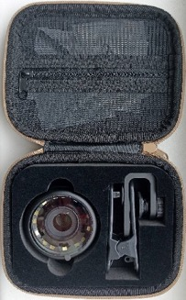
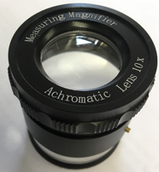
Overall, would you recommend this scope? | No , other scopes in this price bracket have a larger useful field of view in focus. | No, the light is not bright enough, the magnification is not as good as other options, it is hard to take photos, and a jewellers loupe is a better alternative non-polarised only scope | No, the difficulty is taking photos through it, and relatively poor visualisation of polarised structures makes me feel that there are better value scopes on the market | Yes. The camera is excellent, and so long as it is used properly (ideally with contact fluid) it can produce some excellent pictures. It needs to be set up properly to start with but then is easy to use once you are used to it. Would take minimal training to get very good photos. Photos transferred to computer via an app. | Possibly, but only for people not really interested in interpreting things themselves. Relatively inexpensive, fixed focus, but very fiddly to change between P and NP modes, and plastic so may be fragile | Possibly, useful at CCG level for GPs not really interested in interpretation but just want photos sent. Plastic, so may be fragile, but less likely to be damaged if not removing the end part to change it as you would do with the hybrid option. | Yes, but removing end plate for cleaning is fiddly, and needs doing from time to time. There is also a Dermlite DL2 which is polarised only - make sure you get the HYBRID if buying one! | Yes, a good GP choice if you have it to yourself. Less good to share between lots of people, as the plastic legs that extend the contact plate are fragile and easily broken by people who do not appreciate its value! | Yes. This is a great all round scope, and reasonably simple to use | Yes, this is a great all round scope and simple to use | Yes, it has lots of fiddly buttons though, and a very large face, so can be tricky to use in small areas so is one for the afficionados. The UVF is great for inflammatory lesions such as porokeratosis, and for scabies. The dial is easily knocked by accident. | In some cases. It fits in a pocket, and if you have the spacer, it is a decent fixed focus polarised only scope. But polarised only can make some seb k more difficult to diagnose. | Yes, slightly fiddly but easy and small. Best used attached to a phone. | In some cases - polarised only, so some seb k may be harder to diagnose. No longer widely available. | In some cases - polarised only, so some seb k may be harder to diagnose | worth considering, but only if you can source a suitable adaptor to take photos through it. If you have inherited one, you will get great views through it though! | No, the delta 30 Proor Delta 30 UV are a much better choice. It is expensive, but very easy to use, however bright white lines may not show up at all in polarised mode | Yes. It is expensive, but very easy to use, the problem with bright white lines not showing up in polarised mode with the delta30 has been fixed in the delta30 pro | Yes. Same as delta 30 Pro, but with the added bonus of UVF. | Yes, good GP choice- but bright white lines are less bright and may be hard to see with this scope compared with others | Yes, the small size makes it particularly useful for lesions in difficult places eg between toes, and small lesions on faces. The box it comes in is quite large, but it fits in a padded pencil case for easy travel! | Yes, but can only be used with a phone, not naked eye. Case is specific to the phone being used - may not be available for all phones. Good for someone taking photos who is not interpreting them themselves, as it is easy to use | No. Very tricky to take photos. fine for a backup but if you get into it you will want a hybrid. Consider a jewellers loupe instead | In some cases. Cheap, small, polarised only. Not much less expensive than similar fixed focus hybrid scopes, which are worth the extra few pounds. At time of writing, Iboolo have no UK distributor, so there is no post purchase aftercare in the UK. | Yes, but At time of writing, Iboolo have no UK distributor, so there is no post purchase aftercare in the UK. Overall very good value, can't be easily used as a handheld scope. | Yes, but at time of writing, Iboolo have no UK distributor, so there is no post purchase aftercare in the UK. Very good value, best used with a phone camera attached but will work with naked eye, versatile. | Yes, but at time of writing, Iboolo have no UK distributor, so there is no post purchase aftercare in the UK. Good value, UVF is a bonus for looking at inflammatory lesions such as porokeratosis and scabies. At time of writing, Iboolo have no UK distributor, so there is no post purchase aftercare in the UK. | Yes, but at time of writing, Iboolo have no UK distributor, so there is no post purchase aftercare in the UK. Overall very good value, can't be easily used as a handheld scope. | Yes, but at time of writing, Iboolo have no UK distributor, so there is no post purchase aftercare in the UK. Very good value, balance may be a little uncomfortable, but price is its main advantage. | Yes, but at time of writing, Iboolo have no UK distributor, so there is no post purchase aftercare in the UK. UVF is a bonus for looking at inflammatory lesions such as porokeratosis and scabies. | Yes, good GP choice- but bright white lines are less bright in polarised mode than with some other scopes. Has a large contact plate in comparison to the useful area in focus. | Yes. UVF is a bonus for looking at inflammatory lesions such as porokeratosis and scabies. | If you are on a tight budget, this is an alternative to an actual dermatoscope which will help identify seb k, and is somewhere to start if you are not sure about dermoscopy | No, has been superseded by the 8DS and is no longer available. May be a bit of a faff to take photos in comparison to other scopes,a specific magnetic cradle type adaptor (as for 8DS) should be available but will need a converter pack to put a metal ring onto the scope itself (see video on Youtube). not very robust, but good optics. Worth considering if you ahve a welch allyn handle. | Yes if you are going to keep it for yourself - less suitable for sharing due to plastic parts - Not very robust, but good optics. Has its own adaptor (available separately) for photos, with a metal ring to screw on. This is not the same as the opticlar compact adaptor though! Worth considering if you have a Welch Allyn handle already | Yes, with reservations - it has a poor battery life, so needs to be charging a lot of the time - fine if kept in a charging stand, but will lose charge rapidly if not plugged in. | Not really, the light is not bright enough. An ordinary loupe (with button batteries) is a better option. But then you have to pay the cost of replacing the batteries…! | Yes, if you are looking for a cheap scope with a fixed focus that is easy to use. It is fine for taking photos through, but not easy to use as a handheld scope.
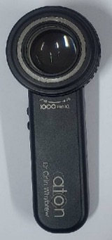
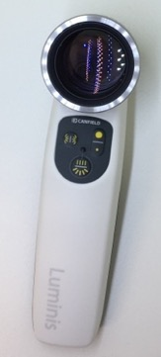
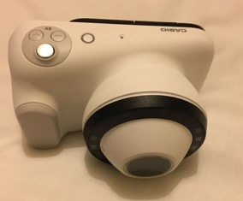
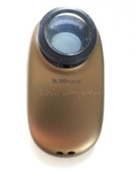
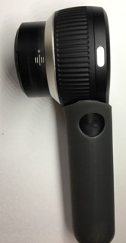
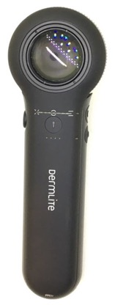
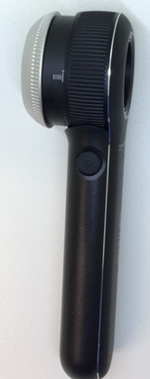
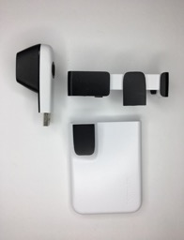
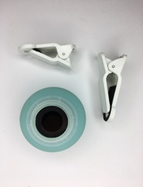
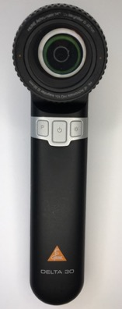
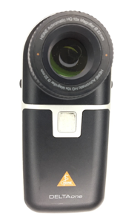
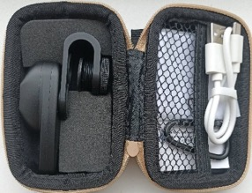
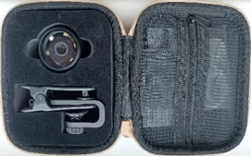
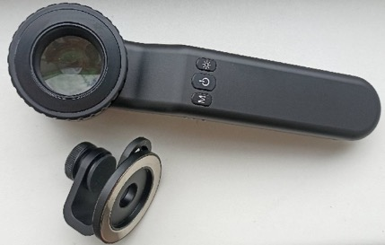
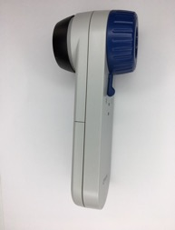
Is the on switch labelled? | No, but turns on by twisting it | Twisty top handle | Yes, but not very clearly | Yes | No | No | No | No, just a dimple on the side | No | No, but only has one switch for everything | Not very clearly | No | No, but there is only one switch | Yes | Yes | No - uses a standard Heine handle | Yes | Yes | Yes | Yes | Yes | Yes | No | Yes | Yes | Yes | Yes | Yes | Yes | Yes | Yes | Yes | yes | No | No | Yes | Yes | No
Does it turn off automatically if you leave it on by mistake? | Turns off when end plate is retracted | No | Yes, but after a very long time | Yes | No | No | No | Yes | No | No | Yes | Yes | I need to check! | Yes | Yes | No | Yes | Yes | Yes | Yes | Yes | No | No | No | No | Yes | Yes | No | Yes |  | Yes | Yes | no | No | No | No | No | No
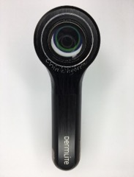
Does it have a battery level indicator? | No | No |  |  |  |  | No |  | Yes |  | Yes | Yes |  |  |  | No | Yes | Yes | Yes |  | Yes |  | No |  |  |  | Yes (but tiny) |  | Yes | Yes |  | Yes | no | No | No |  | No
Is the on switch easy to find? | n/a | Yes | Yes | Yes | Yes | Yes | Yes | Only once you know where it is! | Only once you know where it is! | Yes | Yes | Yes | Yes | Yes | Yes | Yes | Yes | Yes | Yes | Yes | Yes | Yes | Yes | Yes | Yes | Yes | Yes | Yes | Yes | Yes | Yes | Yes | yes | Yes | Yes | Yes | Yes | Yes
How many brightness settings are there? | 4 | 1 | 6 | 1 | 1 | 1 | 1 | 1 | 1 | 1 | 9 | 1 | 1 | 1 | 1 | Continuous brightness on handle | 3 | 3 | 1 | 3 | 1 | 1 | 1 | 1 | 1, with 4 polarised and 2 non-polarised LEDs | 1 | 1 | 1, with 10 polarised and 5 non-polarised | 3 | 3 | 3 | 3 | 1 | Continuous via handle |  | 4 | 1 | 1
Is the polarisation turned on with a switch? | n/a | n/a | Yes | Buttons and touchscreen | No - have to remove end plate and switch with another one | n/a polarised only | Yes | Yes | Yes | Yes | No, a wheel | Yes | Yes | n/a | n/a polarised only | Yes | Yes | Yes | Yes | Yes | Yes | Yes | n/a | n/a | Yes | Yes | Yes | Yes | Yes | Yes | Yes | Yes | n/a | Yes, on newer models (old models have to twist the end plate) | Yes | Yes - a lever | n/a | Yes
Is polarisation switch labelled? | n/a | n/a | Yes, same as the on switch | Buttons and touchscreen | n/a | n/a polarised only | No | No, just a dimple on the (other) side | No | No (only has one switch) | Wheel is not labelled as such | No | Only one button | n/a | n/a polarised only | No | Yes | Yes | Yes | No, but has the light next to it | Yes | No | n/a | n/a | Yes | Yes | Yes | Yes | Yes | Yes (labelled M for mode) | Yes | No | n/a | No | No | Yes | n/a | Yes
Is it easy to toggle between modes when a phone camera is attached? 2 | yes | n/a | Yes, so long as it is attached perpendicular to the scope | Yes | No - have to remove end pate and switch to another one | n/a | Yes, toggle switch is at the side | Yes, toggle switch is at the side | Yes, toggle switch is at the side | Yes, toggle switch is at the side | Fairly easy, so long as the cameraphone is not parallel to the scope | n/a | Yes, toggle switch is at the top | n/a | n/a polarised only | Yes, toggle switch is at the side | Yes, toggle switch is at the side | Yes, toggle switch is at the side | Yes, toggle switch is at the side | Yes, toggle switch is at the side | Yes | Yes, toggle switch is at the side | n/a | n/a | Yes | Yes | Yes | Yes | Yes | Yes | Yes, toggle switch is at the side | Yes | n/a | Yes, toggle switch is at the side | Yes | No - toggle lever is on the front of the scope between scope and phone | n/a | No, toggle switch is on the front edge of the scope nearer the skin
Is there a light that comes on to show it is in polarised mode? | n/a | n/a | Green light for daylight mode, orange light for polarised mode | Display shows it | No- the two end plates are unlabelled so it's trial and error | n/a polarised only | No | Yes, on the front of the scope | No | No | Yes, of sorts | n/a | No | n/a | n/a polarised only | No | Yes | Yes | Yes | Yes | Yes | No | n/a | n/a | Yes | No but it always comes on in polarised mode | No | Yes | Lights on the side do not correlate with polarised or not | Yes but it is not labelled - always comes on in P mode | Yes | Yes | n/a | No | No | No but it is labelled | n/a | No
Is it easy to look through with naked eye? | Yes | Yes | Yes | No | Sort of but it's designed to be used with a phone attached | Sort of but it's designed to be used with a phone attached | Yes | Yes | Yes | Yes | Yes | Yes | Yes but not very ergonomical to hold like that | Sort of but it's designed to be used with a phone attached | No | Yes | Yes | Yes | Yes | Yes | Yes | No | Yes | No | No | Not very | Yes | No | Yes | Yes | Yes | Yes | yes | Yes | Yes | Yes | Yes | Sort of but it's designed to be used with a phone attached
Is there a marker to set focus for taking a photo? | No | Fixed focus | Yes | n/a autofocus | Fixed focus | Fixed focus | Yes | No | Yes | No | Yes | n/a | Fixed focus | Fixed focus | Fixed focus | No | No | No | Yes | No | No | Fixed focus | No | n/a fixed focus | n/a fixed focus | Yes | Yes | n/a fixed focus | No | No | No | Yes | no | Yes, a plastic spacer is used for this purpose, although not needed | Not needed | Yes if you know what it is | No | Fixed focus
Does the focus work by extending the end plate? | Yes | Fixed focus | No, by moving lenses away from it | n/a autofocus | n/a | n/a fixed focus | Yes | Yes | Yes | Yes | Yes | No end plate | No, fixed focus | Fixed focus | n/a fixed focus | Yes | No - the lenses move towards the eye | No - the lenses move towards the eye | No - the lenses move towards the eye | Yes | No, it moves the lenses towards you | Fixed focus | No - the lens moves towards the eye | n/a fixed focus | n/a fixed focus | Yes | Yes | n/a fixed focus | No, moves the lenses towards you | Yes | Yes | Yes | no, the lens moves towards the eye | No, the lens moves towards the eye | No, the lens moves towards the eye | No, it moves the lenses | Yes | Fixed focus
Is the end plate fully enclosed (stops dust getting behind it)? | Yes | Yes | Yes | Yes | Yes | Yes | No | No, it is on 3 plastic legs | Yes | Yes | Yes | No end plate | Yes | No endplate | Yes | Yes | Yes | Yes | Yes | Partially | Yes | Yes | Yes | Yes | Yes | Yes | Yes | Yes | Yes | Yes | Yes | Yes | yes | Yes | Yes | Yes | Yes | Yes
Does the end plate come off easily for cleaning? | No (not needed) | Yes | Yes, magnetic | No (not needed) | Yes | Yes | Not very, screws on and thread may get sticky | Yes - the 3 legs detach AND the end plate also comes off the holder | No | Yes | Yes | n/a | Yes | n/a | n/a | Yes | Yes | Yes | Yes | Yes | Yes | Yes | Yes | No but not needed | Yes, but no need to take it off | Yes | Yes | Yes, but no need to take it off | Yes | Yes, it screws off | Yes | Yes | yes | Yes | Yes | Yes, magnetic | Yes | n/a
Is a small contact end plate available? | Not sure (possibly?) | No | Not sure | Yes | Not needed - small anyway | Not needed - it is small anyway | No | Yes (attaches by its own 3 legs) | No | Yes | I believe so | n/a | Not needed - small anyway | No | No | Yes | Yes | Yes | Yes | Yes | No | Yes | No | No, it is small anyway | No | No | No | No | No | No | Yes | No | no | Yes | Yes | Yes | No | No
Can it be used as non-contact polarised with extenders touching skin to stabilise it for the photo? | Yes, with a non-contact accessory available separately | No | No | Yes | No | No | Yes | Yes | No | Yes | Yes | No | Yes | Yes | No | No | Yes - extender ring sold separately | Yes - extender ring sold separately | Yes - extender ring sold separately | Yes | Yes | No | n/a | No | No | Yes | Yes | No | No | Yes, there is a non-contact end plate that screws on | Yes | Yes | no | Yes | Yes | Yes | No | No
How securely does the end plate attach (might it pop off accidentally?) | Fully fixed | Screwed on | Magnetic - secure | n/a doesn't come off | n/a | n/a | No, screws on | Can pop off accidentally - be careful | n/a | Can pop off accidentally - be careful | Twists on, secure | n/a | I need to check! | n/a | n/a | Twists on securely | Can pop off accidentally - be careful | Can pop off accidentally - be careful | Can pop off accidentally - be careful | Can pop off accidentally - be careful | Properly secured by twisting it | Twists on securely | Push and twist attaches it securely | n/a | Screws on securely | Has a rubber ring that improves grip of the end plate | Reattaches with a satisfying click | Screws on securely | Has a rubber ring that improves grip of the end plate | Screw mechanism is very easy and secure | Magnetic - no chance it will pop off | It needs a good nudge, and could come off if not fully pressed back into place | screws on | Push and twist is secure | Push and twist is secure | Good magnet | Screwed on | Fixed end plate
Are disposable end plate covers available for hygiene purposes? | Yes | No | No | Yes, of sorts | No | No | No | Yes | Yes - the ice caps for the DL4 also fit the DL3 | Yes | Yes | n/a | Yes | No | No | No | No | No | No | No | Yes but expensive - better to clean the ones it comes with | No | No | No | No | No | Yes | No | No | Yes | No | Flat sticker-type disposable covers | no | Yes | Yes | Yes | No | No
What is the diameter of the field? | 10mm that is in focus | 25mm | 23mm | 24mm | 20mm |  | 24mm | 25mm | 25mm | 30mm | 35mm | 17mm | 20mm | 15mm x 24mm | 16mm | 20mm | 30mm | 30mm | 30mm | 30mm | 12mm | 20mm | 23mm | 12x18mm | 15mm | 24mm | 24mm | 16-20mm depending on which adaptor and phone you use | 24mm | 24mm | 25mm | 19mm | depends on the model | 20mm | 20mm | 20mm |  | 10mm
What is the diameter of the end plate? | 54mm at 8mm from the end plate | 31mm | 34mm, widens to 50mm within 1cm depth | 36mm |  |  | 27mm | 25mm | 32mm | 37mm | 37mm but goes to 55mm wide by a depth of 1cm | n/a | 26mm | 26mm x 17mm | 35mm, but is 55mm wide by 1cm from the end plate | 26mm | 46mm | 46mm | 46mm | 40mm | 25mm | 26mm | 28mm | 13x19mm | 35mm (40mm practically) | 43mm | 45mm | 45mm (55mm practically) | 54mm | 54mm | 50mm | 47mm | depends on model | 30mm | 30mm | 33mm |  | 20mm
What type of charger does it use? | USB-C | Batteries | USB-C | Dedicated DC charger | Micro USB | Micro USB | Unique | Micro USB | Cradle or unique charger | Micro USB | USB-C or charging stand USB | USB-C | USB-C | Micro USB | Micro USB | Several options, micro USB, cradle, battery | USB-C | USB-C | USB-C | Micro USB | USB-C (charging cradle is also available) | Micro USB | Batteries or charger base | USB-C | USB-C | USB-C | USB-C | USB-C | USB-C | USB-C | Micro USB | USB C, plus a charging cradle is also available | n/a (button batteries) | Micro USB or cradle or batteries - also fits Welch Allyn handles | New handle is micro USB or cradle in same handle - also fits Welch Allyn handles | Micro USB or charging stand | USB-C | Micro usb
Will it work with the charger attached (eg if you find it uncharged)? | Yes | n/a | Yes | Yes |  |  | Yes | Yes | n/a (cradle) | Yes | Yes | Yes | No | Plugs into a USB port itself, but yes | No | No | No | No | No | No | No | No | n/a | Yes | Yes | Yes | Yes | Yes | Yes | Yes | No | No | n/a | Yes | Yes | Yes | Yes | Yes
Does it have magnetic adaptor for phone attachment? | Yes but BEWARE - it slips around on the adaptor and is easily displaced or dropped | No | Yes | n/a integral camera | Yes | Yes | Yes, but needs the extra metal ring | Yes | Yes | Yes | Yes | Yes | Yes | No, comes with its own clip | No- it clips on directly | No | Yes | Yes | Yes | Yes | Yes | Integrated phone case | No | No, but comes with its own twisty clip on adaptor | No, but comes with 2 clip on adaptors | Yes | Yes | No, but comes with 2 clip on adaptors | Yes | Yes | Yes | Yes | no | No | Yes, available separately with the phone adaptor | Yes | No | No, but comes with its own clip on adaptor
Which phone adaptors will attach to it? 5 | Large size means it needs its own adaptor - make sure it comes with one, as some may not have a metal ring to attach a magnetic adaptor to | None. Insufficient height to it for the universal adaptor for telescopes | DermLite adaptors will attach but size is wrong and it is very difficult. Heine adaptors do not work. Telescope adaptor does not work. I have not found a suitable adaptor from my collection | n/a integral camera | Comes with a case, will work with any dermlite (not Heine) adaptor | Comes with a case, will work with any dermlite (NOT Heine) adaptor | Any DermLite (NOT Heine) | All DermLite adaptors, NOT Heine ones | Dermlite (NOT Heine) | Dermlite (NOT Heine) | All DermLite adaptors (NOT Heine) | Any DermLite or Illuco adaptors | Any DermLite (NOT Heine) adaptor | Attaches to any phone | Integral | Either needs a special extra bit to attach to magnetic phone adaptor (which is hard to come by), or can use a universal adaptor for telescopes (available for around £11 on Amazon) | The new Heine adaptor is a game changer - it has a small button that sticks to your phone, and then the adaptor clicks onto it magnetically, making photography a doddle. Best to use the Heine one (DermLite will attach but not centrally) | The new Heine adaptor (full size one) is a game changer - it has a small button that sticks to your phone, and then the adaptor clicks onto it magnetically, making photography a doddle. Best to use the Heine one (DermLite will attach but not centrally) | The new Heine adaptor (full size one) is a game changer - it has a small button that sticks to your phone, and then the adaptor clicks onto it magnetically, making photography a doddle. Best to use the Heine one (DermLite will attach but not centrally) | DermLite AND Heine. The new Heine adaptor is a game changer - it has a small button that sticks to your phone, and then the adaptor clicks onto it magnetically, making photography a doddle. Best to use the Heine one (DermLite will attach but not centrally) | The new Heine adaptor (this needs the smaller one, uses same button as the full size Heine adaptor though) is a game changer - it has a small button that sticks to your phone, and then the adaptor clicks onto it magnetically, making photography a doddle. DermLite adaptor is too big. | Integrated phone case specific to your iphone or ipod (NOT for other brands of phone) | None, and it is too small in diameter to fit the universal adaptor for telescopes | Only the one it comes with it will not attach to a screw on clip adaptor | Only its own clip on adaptors | Comes with one, but also works with any DermLite adaptor | Its own or DermLite | Only its own clip on adaptors | Comes with one, but also works with any DermLite adaptor | Only its own as it is quite big. A DermLite one will attach but not centrally. | Illuco and DermLite (NOT Heine) | Any DermLite, although the one it comes with gets a stronger attachment | universal phone adaptor for telescopes (which is very cheap) | A conversion kit is available to fit the metal ring so magnetic adaptors can connect to it. Alternatively can use a universal adaptor for telescopes (available for around £11 on Amazon) | The metal end plate only comes with its own phone adaptor. Once fitted, any DermLite adaptor will also work. Alternatively can use a universal adaptor for telescopes (available for around £11 on Amazon) | Only opticlar magnetic one, but annoying to get on and off the magnet | Universal adaptor for telescopes | Only its own
Is it pocket sized? | Too large for a pocket but would clip to a belt | No | Not really | No | Yes, it's tiny | Yes, it's tiny | Yes | Yes | Not really | Yes | No, but it has a belt clip | Yes | Yes, it's very small | Yes | Yes | No | No | No | No | A bit big for a pocket | Yes | Yes | A bit long to go in a pocket | Yes, it measures 2.5cm x 7cm x 5cm attached to its adaptor. Comes in a case which is 10cm x 6cm x 5cm, so would also fit in a pocket | Yes, it measures 4cm diameter, but comes in a case to protect it which would not fit in a pocket | 13.5cm long and 5cm wide, so yes, but doesn’t have a pocket sized protective case | Rather big for a pocket | Yes, it measures 5.5cm diameter, but comes in a case to protect it which would not fit in a pocket | 19cm long and 5.4cm wide, so not really pocked sized | Definitely not, it is big | A bit big for a pocket | Not really | yes | No | No | Not quite | Yes | Yes
How well do bright white lines show up in polarised mode? (max ****) | not fully tested | n/a | * (a bit) | * (Not perfectly) | **** | **** | *** | **** | *** | **** | **** |  | **** |  | *** | **** | */0 | **** | **** | * |  | **** | n/a | Not tested yet | Not tested yet | ** | ** | ** | *** | *** | ** | *** | n/a | **** | **** | **** | n/a | ****
Does it come with a case? | Yes | Yes | No | No | No | No | No | A soft drawstring bag | Yes, leather case with belt clip | Yes, leather case with belt clip | Yes, a leather case and a separate belt clip | Yes | Yes | No | A fabric bag | Yes, large hard click shut case | Yes, large hard zippered case | Yes, large hard zippered case | Yes, large hard zippered case | Yes, a large solid zipped case | Yes, hard case with a space for the adaptor and spare end plates as well | No | Case available separately | Yes | Yes | Yes | Yes, hard case | Yes | Yes, and an adaptor | Yes, hard case | No, but a good box | Yes, faux leather case (and it can be charged in the case) | usually | Yes, zipped hard case | Yes, zipped hard case | No | Yes | No
Are there other features to be aware of? | Blurry beyond the central 1cm area of focus, and scabies mites do not seem to fluoresce with either UV setting. NP setting is hard to identify as it seems to give the same view as polarised | Light is yellow and comes from the side. | It has raked light mode (side illumination) as an option. The head end is very heavy compared with the handle and the balance of it may be uncomfortable for some. | The UV camera makes the edges of melanocytic lesions on acral sites much easier to see, and demonstrates vessels very well. |  |  | Superceded by the DL200 hybrid. Tricky to clean the inside of the contact plate, as it screws off, and if any contact gel residue gets embedded in the screw thread then it is extremely difficult to get off! If the contact plate retracts when you put it on the skin, you have not extended it quite for enough | Make sure you get the hybrid | Pigment boost (gimmick) | Some versions available with "pigment boost" (gimmick!) | Has UV mode - great for hunting scabies burrows, seeing vessels in BCCs, fluorescence of fungi and corynebacteria | A spacer is available |  | DermLite Hud 2 has just been released, and has an end plate |  |  | Magnet attaches to the focussing ring so the focus changes if you align the phone after attaching the scope | Magnet attaches to the focussing ring so the focus changes if you align the phone after attaching the scope | Magnet attaches to the focussing ring on some Heine scopes so the focus may change if you align the phone after attaching the scope | Magnet attaches to the focussing ring so the focus changes if you align the phone after attaching the scope | End plate is plastic, comes with 3 so they can be replaced if scratched, and can be used as disposables. Light indicator to show how well charged it is. |  |  | This is super simple | Instruction booklet has incorrect instructions on how to use it in non-polarised mode | Loose barrels so you need to be careful with runny contact fluid that it doesn't penetrate the scope. Designed to be used attached to a phone screen | Booklet that coems with it does not mention how to remove end plate | Instruction booklet has incorrect instructions on how to use it in non-polarised mode | The end plate attachment feels a little loose, but it doesn't come off by accident. | It has two polarised modes, one with orange light. The instruction booklet that comes with it does not mention this, nor how to remove the contact plate | Comes with a blue protective film on the end plate - remove it first! | It has 12x magnification rather than the usual 10x. 365nm UV works well. Has an indicator to say how well charged it is and what level of brightness the lights are on | This is just non polarised, and is technically not actually a dermatoscope, but can be used as one. Make sure you get the right model though, please watch the YouTube video first! | Fits a Welch Allyn handle | Fits a Welch Allyn handle | Magnetic connector is awkward. Has bluetooth to press a button on scope to take a photo - but it doesn't work in apps. Loses charge very quickly - needs to be kept in its charger stand. | Light is very blue with the rechargeable one, which also has UVF. | Limited avaiability
What is it particularly good for? 6 | For the same price, better scopes are available | If you really can't afford a proper scope it's better than nothing | Not widely available in UK and as you can't really take photos through it it is not one worth looking into importing either | Getting good quality photos with basic training - The basic training is needed though, please watch the video review to get the most out of it! | Cheap, but may be a false economy if you can afford a better scope, I'd suggest a hybrid where you can switch between modes without having to take the scope off the skin. | Cheap, but polarised only makes seb K harder to identify. |  | Great all round GP scope but easily broken. Smallish end plate great for lesions on faces. Excellent rendition of bright white lines. DO NOT MISTAKE FOR THE DL200 non-hybrid version - this review is for the hybrid version only. | Excellent all round scope, barely pipped to the post by the DL4 | All round good optics, easy to use, small | Fantastic scope, but not the simplest to use and the end plate is really very large. The original UVF scope, and the one that future UVF scopes should be compared with | Useful to screen a arge area, or for photos in the mouth | Once you know how to work it, it is an excellent scope for GPs who want to take good photos easily (less good if you want to see through the eyepiece yourself though) | Cheap option that fits easily to any phone. Polarised only though. | Very simple, cheap, polarised only pics, with no need to focus and easy to use. | Very robust, but tricky to take photos (unless you have the correct adaptors, which are not widely available), excellent rendition of bright white lines | BEWARE ISSUES WITH POOR VISUALISATION OF WHITE LINES ON POLARISED DERMOSCOPY. The Delta 30 Pro is a newer version which has corrected the problems with this scope. | Great for scanning large areas quickly, particularly with the new extender ring. . The button type adaptor is perfect for attaching it to your phone intermittently with minimal fuss or adjustments. | Great for scanning large areas quickly, particularly with the new extender ring. UVF is particularly helpful for inflammatory lesions such as porokeratosis, and for finding scabies burrows and identifying the mites. . The button type adaptor is perfect for attaching it to your phone intermittently with minimal fuss or adjustments. | Easy to use, ideal for occasional users to share BUT can be tricky getting good photos without altering focus accidentally when loning phone up with scope if you don't know it is going to happen. However this can be helpful to adjust the focus on the scope whrn the phone is attached, so long as you know about it! . The button type adaptor is perfect for attaching it to your phone intermittently with minimal fuss or adjustments. | The small size allows good access to small areas e.g. between toes, without compromising on quality. An excellent scope for a podiatrist, or for a GP's bag. The button type adaptor is perfect for attaching it to your phone intermittently with minimal fuss or adjustments intermittently with minimal fuss or adjustments. | Ideal for a basic photography service as it is fixed focus and has the same optics as the Heine delta20 | Better quality than the very cheap contact only scopes; otoscope and ophthalmoscope ends also available, consider for home visits | Cheap and cheerful, but no non-polarised mode, so less good for identifying seb k's. BEWARE ISSUES WITH POOR VISUALISATION OF WHITE LINES ON POLARISED DERMOSCOPY | Value for money fixed focus scope, the clip on adaptor may not work with all phones as it touches the touchscreen and may cover up icons when using some secure apps. Tricky to use if camera is near the edge of the phone BEWARE ISSUES WITH POOR VISUALISATION OF WHITE LINES ON POLARISED DERMOSCOPY | Excellent value hybrid scope BUT YOU CANT SEE WHITE LINES WELL | A simple to use, lower budget UVF dermatoscope | Value for money fixed focus scope, the clip on adaptor may not work with all phones as it touches the touchscreen and may cover up icons when using some secure apps. Tricky to use if camera is near the edge of the phone. BEWARE ISSUES WITH POOR VISUALISATION OF WHITE LINES ON POLARISED DERMOSCOPY | Value for money hybrid scope, comfortable to use as handheld and for photos BEWARE ISSUES WITH POOR VISUALISATION OF WHITE LINES ON POLARISED DERMOSCOPY | A lower budget UVF dermatoscope - consider the DE3100 PRO if you want something simpler to use, with less light distortion at the edges | Super easy to use, ideal for occasional users to share | A slightly lower budget UV scope with all the features of a good UV scope. The diameter is a lot larger than the useful field of vision though, and it is quite big. | people who want to be able to identify benign lesions easily, and can't afford an actual scope (with the adaptor it should come in at less than £100) | Money saving option if you already have the handle, but needs handling carefully as plastic parts are fragile. | Money saving option if you already have the handle, but needs handling carefully as plastic parts are fragile. | Has a bluetooth switch on the scope which will take a photo on phone - but doesn't work properly if taking photos in app. | If you really can't afford a proper scope it's better than nothing. Battery loupes are also available | Decent cheap option for people who don't mind not looking through it directly, but keep it clean!
 |  |  |  |  |  |  |  |  |  |  |  |  |  |  |  |  |  |  |  |  |  |  |  |  |  |  |  |  |  |  |  |  | 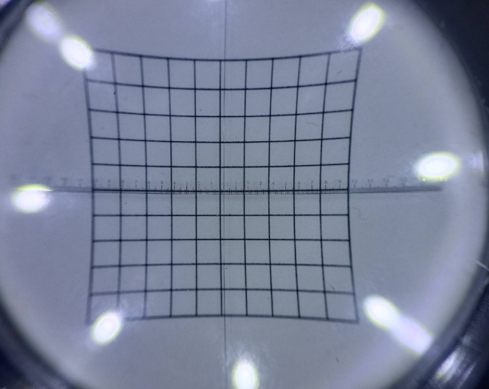 |  |  |  | 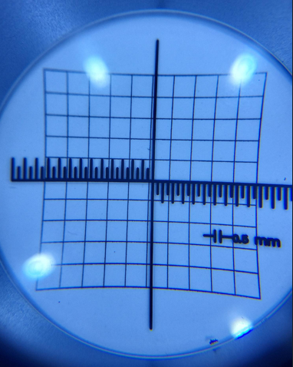
Declarations
PCDS is sponsored by Schuco, Heine, Casio, and has some sponsorship from Arthrodax and Entera medical.
Is the manufaturer or distributor a PCDS sponsor? | No | No | No | yes | yes | yes | yes | yes | yes | yes | yes | yes | yes | yes | yes | yes | yes | yes | yes | yes | yes | yes | yes | No | No | No | No | No | No | No | Yes | Yes | No | No | No | No | No | No
Has this scope been purchased, borrowed, or given to us to review | Purchased | Purchased | Purchased | Borrowed | Purchased | Purchased | Purchased | Purchased | Purchased | Purchased | borrowed | Purchased | Purchased | Purchased | Purchased | Purchased | Purchased | Purchased | borrowed | Purchased | given | Purchased | Purchased | Purchased | Purchased | Purchased | Purchased | Purchased | Purchased | Purchased | Purchased | borrowed | Purchased (several different ones) | Purchased | Purchased | Purchased | Purchased | Purchased

